Sheet1
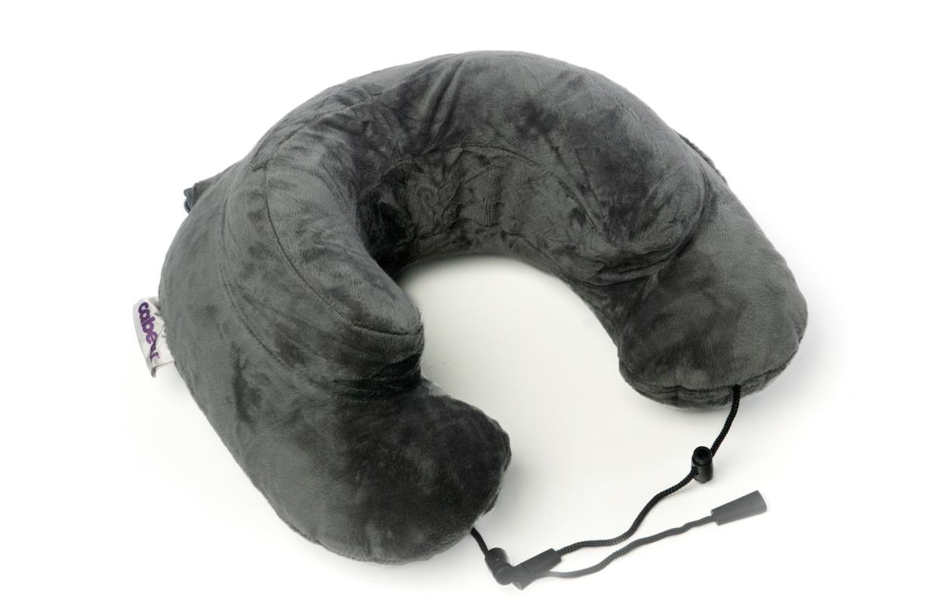
Picture | Item code | Description | Extra information | Restriction | Stock | Sales price EXW | Retail price | Barcode | Quantity PU | Quantity pallet | Pallet | Origin | Customs code | Item weight | Languages on package | Group
 | 21087 | Cabeau Air Evolution Travel Neck Pillow, Slate | VAA17791 |  | 2132 | 5.9 | 29.95 | 815158013013 | 40 | 1920 | Europallet 120x80 | CN | 3926909990 | 100 | uk | Cabeau Air Evolution Travel Neck Pillow

